Title
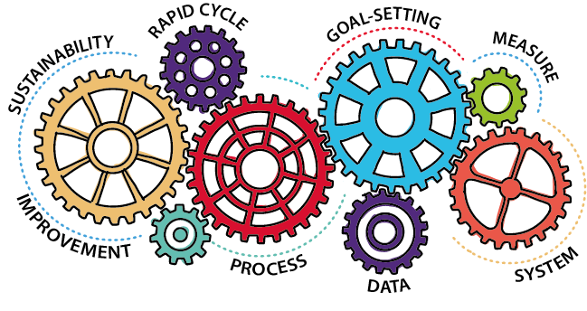

Nursing Home Compare Five-Star Quality Measure Rating Calculation Tool

Version 4.0

Originated in November 2019

This material was prepared by Telligen and edited by Superior Health Quality Alliance, under contract with the Centers for Medicare & Medicaid Services (CMS), an agency of the U.S. Department of Health and Human Services. The materials do not necessarily reflect CMS policy. 12SOW-MI/MN/WI-NH-20-60 060920

